INSTRUCTIONS
Whether a borrower qualifies for a forgivable second mortgage or fully amortizing mortgage will depend upon the borrower’s area median income (“AMI”). When calculating the borrower’s AMI, go to the HUD Area Median Income Site (using other sites or methods may not correspond to CBC Mortgage Agency’s calculation, and therefore, may disqualify the income calculation used): The HUD Area Median Income site can be found online at:

Step 1: | Select the most recent fiscal year
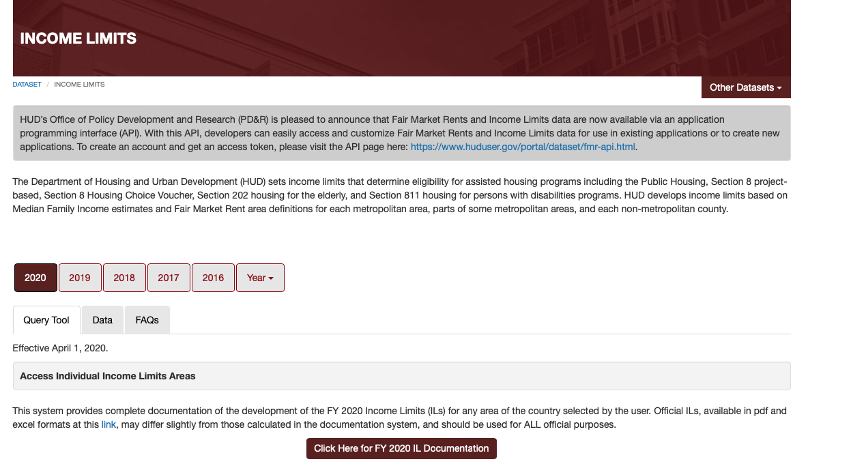

Step 3: | Click the Documentation button below to continue

Step 2: Click the Click here for Documentation to get to State and County

Step 3: Select State and County
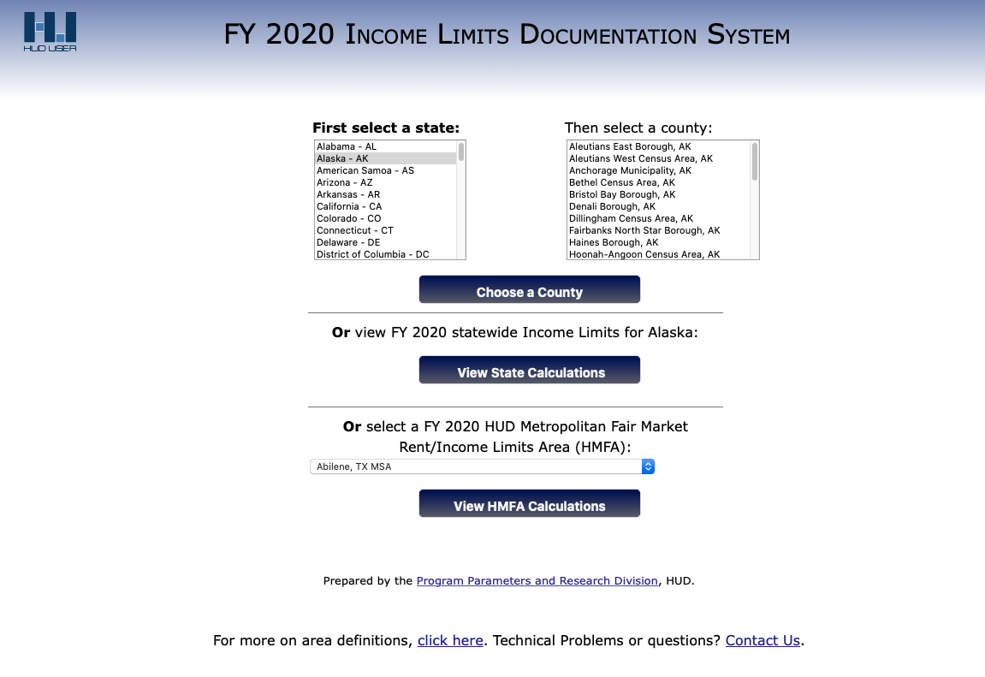

Step 4: | Select the State from the list or the FY HUD Metropolitan Fair Market Rent/Income Limits Area from the drop-down below

 | Result will appear, and the Median income for the area will be reflected

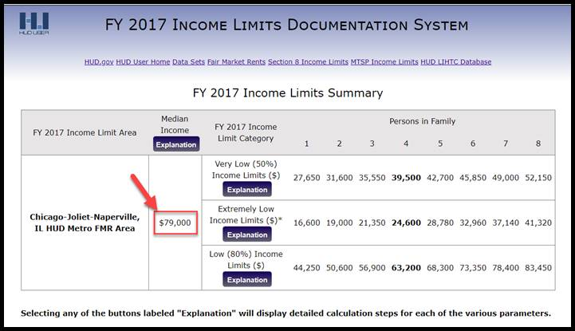

NOTE: FOR HOUSEHOLD SIZE 1-4 USE MEDIAN INCOME

FOR HOUSEHOLD SIZE 5+, USE VERY LOW (50%) INCOME LIMITS

